Pre-Analysis Board
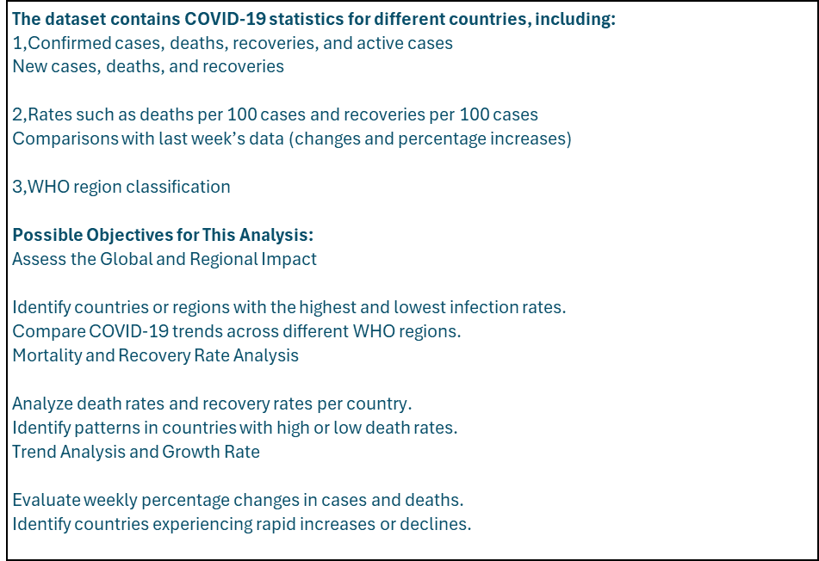
PROJECT SLIT
CATEGORY 1 :INDEPENDENT VALUES
Country/Region
WHO Region
Confirmed last week
CATEGORY 2 :DEPENDENT VALUES
Confirmed cases
Deaths
Recovered cases
Active cases
New cases
New deaths
New recoveries
Death rate per 100 cases
Recovery rate per 100 cases
Deaths per 100 recovered
1-week change in cases 1-week % increase
DIMENSIONS THAT WILL BE EXAMINED
1, Number of deaths by countries
2,Death trend top 20 countries
3, Sum of deaths by region
4, Sum of Active cases by country top 10
5, Recovered cases top 10 countries
6, Confirmed cases in the last week top 5 countries
7, Top 5 cases WHO Death /100 case
8, Confirmed cases in WHO region top 5

POTENTIAL CHALLENGES/ LIMITATOM WITHIN THIS DATA SET
1.Data Inconsistencies: Different countries report cases using varying methodologies, leading to potential discrepancies.
2.Missing or Incomplete Data: Some countries might not report new cases, deaths, or recoveries accurately or consistently.
3.Timeliness: The dataset may not reflect real-time updates as COVID-19 data changes rapidly.
4,Underreporting: Limited testing and reporting infrastructure in some regions could lead to underestimated case counts.
5,Regional Variability: WHO regions may not align perfectly with national-level data.
6,Changing Definitions: Definitions of "Recovered" and "Deaths" may vary across countries, affecting comparative analysis.

No of Deaths by Country
Number of Deaths by Country
Row Labels | Sum of Deaths
US | 148011
Brazil | 87618
United Kingdom | 45844
Mexico | 44022
Italy | 35112
India | 33408
France | 30212
Spain | 28432
Peru | 18418
Iran | 15912
Grand Total | 486989

In- Analysis Board
In- Analysis Insight/observation
1. Global COVID-19 Impact
The United States (4.29M cases), Brazil (2.44M cases), and India (1.48M cases) have the highest confirmed cases.
Countries with the lowest confirmed cases include Western Sahara (10 cases), Holy See (12 cases), and Greenland (14 cases).
2. Mortality and Recovery Rates
Highest Death Rates:
Yemen (28.56 deaths per 100 cases), UK (15.19 per 100 cases), and Belgium (14.79 per 100 cases) have the highest mortality rates.
Highest Recovery Rates:
Dominica, Grenada, and Holy See all report 100% recovery rates.
3. Weekly Growth Trends
Countries with the highest weekly case growth:
Papua New Guinea (226.32%), Gambia (191.07%), and Bahamas (119.54%) show the highest increases in cases.
In -Analysis Recommendation
1,Targeted Healthcare Response:
Countries with high death rates (Yemen, UK, Belgium, Italy) need improved critical care capacity and vaccine access.
Nations with rapid case growth (Papua New Guinea, Gambia, Bahamas) should strengthen containment measures.
2. Strengthening Health Infrastructure:
Governments should focus on early detection, testing, and resource allocation in regions with increasing weekly trends.
3. Border & Travel Restrictions:
Travel restrictions should be tightened for countries experiencing high weekly case growth to prevent international spread.

Death trend in top 20 country
Death Trend in Top 20
Row Labels | Sum of New cases
US | 56336
India | 44457
Brazil | 23284
Colombia | 16306
Peru | 13756
South Africa | 7096
Russia | 5607
Mexico | 4973
Argentina | 4890
Bangladesh | 2772
Iraq | 2553
France | 2551
Iran | 2434
Chile | 2133
Israel | 2029
Saudi Arabia | 1993
Bolivia | 1752
Philippines | 1592
Kazakhstan | 1526
Indonesia | 1525
Grand Total | 199565

Sum of Death by Region
Sum of Deaths by WHO Region
Row Labels | Sum of Deaths / 100 Cases
Europe | 235.11
Africa | 110.71
Americas | 106.84
Eastern Mediterranean | 78.39
Western Pacific | 20.64
South-East Asia | 12.96
Grand Total | 564.65

 |  | 11111

comfirm cases in the last week
Top 5 Confirmed Cases in the Last Week
Row Labels | Sum of Confirmed last week
US | 3834677
Brazil | 2118646
India | 1155338
Russia | 776212
South Africa | 373628
Grand Total | 8258501

countries with no deaths
Countries with no deaths
Row Labels | Sum of Deaths
Bhutan | 0
Cambodia | 0
Dominica | 0
Eritrea | 0
Fiji | 0
Greenland | 0
Grenada | 0
Holy See | 0
Laos | 0
Mongolia | 0
Papua New Guinea | 0
Saint Kitts and Nevis | 0
Saint Lucia | 0
Saint Vincent and the Grenadines | 0
Seychelles | 0
Timor-Leste | 0
Vietnam | 0
Grand Total | 0

sum of Active case by Country
Sum of Active Cases by Country
Row Labels | Sum of Active
US | 2816444
Brazil | 508116
India | 495499
United Kingdom | 254427
Russia | 201097
South Africa | 170537
Colombia | 117163
France | 108928
Canada | 107514
Peru | 98752
Grand Total | 4878477

Sum of Recovered Cases top 10
Recovered Cases Top 10
Row Labels | Sum of Recovered
Brazil | 1846641
US | 1325804
India | 951166
Russia | 602249
Chile | 319954
Mexico | 303810
South Africa | 274925
Peru | 272547
Iran | 255144
Pakistan | 241026
Grand Total | 6393266

WHO Active Cases
Top 5 WHO Death/100 cases
Row Labels | Sum of Deaths / 100 Cases
Europe | 235.11
Africa | 110.71
Americas | 106.84
Eastern Mediterranean | 78.39
Western Pacific | 20.64
South-East Asia | 12.96
Grand Total | 564.65

Comfirm case WHO
Confirmed Cases in the Last Week WHO Region
Row Labels | Sum of Recovered
Americas | 4468616
Europe | 1993723
Eastern Mediterranean | 1201400
South-East Asia | 1156933
Africa | 440645
Western Pacific | 206770
Grand Total | 9468087

Dash Board
COVID-19 COUNTRIES,WHO REPORT

HIGHEST DEATH BY WHO REGION
Europe
WHO DEATH/100 CASES
America
2ND HIGHEST DEATH BY WHO REGION
Africa
HIGHEST NUMBER OF DEATHS BY COUNTRY
Usa
TOP WHO DEATH/100 CASE
Europe
TTOP CASE IN THE LAST WEEK
Us
COUNTY WITH HIGHEST RECOVERY
Brazil

Number of Deaths by Country
 | Total
US | 148011
Brazil | 87618
United Kingdom | 45844
Mexico | 44022
Italy | 35112
India | 33408
France | 30212
Spain | 28432
Peru | 18418
Iran | 15912
Death Trend in Top 20
 | Total
US | 56336
India | 44457
Brazil | 23284
Colombia | 16306
Peru | 13756
South Africa | 7096
Russia | 5607
Mexico | 4973
Argentina | 4890
Bangladesh | 2772
Iraq | 2553
France | 2551
Iran | 2434
Chile | 2133
Israel | 2029
Saudi Arabia | 1993
Bolivia | 1752
Philippines | 1592
Kazakhstan | 1526
Indonesia | 1525

Sum of Deaths by WHO Region
 | Total
Europe | 235.11
Africa | 110.71
Americas | 106.84
Eastern Mediterranean | 78.39
Western Pacific | 20.64
South-East Asia | 12.96
Top 5 Confirmed Cases in the Last Week
 | Total
US | 3834677
Brazil | 2118646
India | 1155338
Russia | 776212
South Africa | 373628
Recovery Cases Top 10
 | Total
Brazil | 1846641
US | 1325804
India | 951166
Russia | 602249
Chile | 319954
Mexico | 303810
South Africa | 274925
Peru | 272547
Iran | 255144
Pakistan | 241026

Sum of Active Cases by Country
 | Total
US | 2816444
Brazil | 508116
India | 495499
United Kingdom | 254427
Russia | 201097
South Africa | 170537
Colombia | 117163
France | 108928
Canada | 107514
Peru | 98752
Confirmed Cases in the Last Week WHO Region
 | Total
Americas | 4468616
Europe | 1993723
Eastern Mediterranean | 1201400
South-East Asia | 1156933
Africa | 440645
Western Pacific | 206770
Top 5 WHO Death/100 cases
 | Total
Europe | 235.11
Africa | 110.71
Americas | 106.84
Eastern Mediterranean | 78.39
Western Pacific | 20.64
South-East Asia | 12.96

Final Reccomendation
OBSERVATION
1. Global COVID-19 Impact
The United States has the highest number of confirmed cases at 4,290,259, followed by Brazil (2,442,375) and India (1,480,073). These countries have been major hotspots, indicating widespread community transmission.
The countries with the lowest number of confirmed cases include Western Sahara (10 cases), Holy See (12 cases), and Greenland (14 cases). These regions likely benefited from strict border controls and low population density.
2. Mortality and Recovery Analysis
Total Deaths:
The United States also has the highest total number of deaths at 148,011, followed by Brazil (87,618) and the United Kingdom (45,837). These numbers highlight the severe impact of COVID-19 in these countries.
Yemen reports a relatively small number of total cases but has one of the highest proportions of deaths (795 total deaths), indicating serious healthcare challenges.
Total Recoveries:
3, The countries with the highest total recoveries are the United States (1,846,641 recovered cases), Brazil (1,817,096 recovered cases), and India (952,744 recovered cases).
Some small nations, such as Dominica, Grenada, and Holy See, have reported 100% recovery rates, meaning all confirmed cases in these areas have recovered.
4. Countries with the Highest Weekly growth trend
Over the last week, the United States had the highest increase in cases, with 455,582 new cases. This indicates a continued surge in infections.
Other countries that saw significant jumps in total cases include India (293,562 new cases) and Brazil (283,492 new cases).
Some smaller countries also experienced notable increases, including South Africa (+72,885 cases) and Russia (+64,382 cases), showing that the pandemic is still spreading rapidly in various regions.
RECOMMENDATION
1. Strengthen Healthcare Infrastructure in Hard-Hit Regions
Countries with high total deaths (US, Brazil, UK, Yemen) should expand hospital capacity, increase medical supplies, and improve vaccine distribution.
Special attention should be given to countries like Yemen, where limited healthcare resources are likely contributing to high mortality rates.
2. Control Measures in Countries with Rising Cases
Nations with the highest case increases (US, India, Brazil, South Africa, Russia) should tighten restrictions, promote mask mandates, and accelerate testing efforts.
Governments should consider localized lockdowns to contain outbreaks.
3. Border Controls and Travel Restrictions
Countries with low case numbers (Western Sahara, Holy See, Greenland) should maintain strict border control policies to prevent outbreaks.
Nations with high weekly case surges should implement targeted travel restrictions to curb cross-border spread.
4. Strengthening Healthcare Infrastructure
Countries with the highest death counts (US, Brazil, UK, Mexico) should prioritize ICU capacity expansion, medical staffing, and supply chain improvements to handle critical cases.
Governments should increase hospital resources in high-transmission areas like India and the US, where case numbers continue to grow.
5. Targeted Public Health Measures
Stricter lockdown measures and mass testing should be implemented in India, the US, and Brazil to slow the rate of infection.
Countries with low but growing cases (e.g., Mexico) should act proactively before they reach crisis levels.
6. Global Collaboration & Vaccination Efforts
Countries with high infection rates should accelerate vaccine distribution and public awareness campaigns.
Governments should prioritize vaccination rollouts in high-risk regions where the death toll is rising rapidly.

